Instructions (updated 06-2022)
2022 NHSN ICD-10 Operative Procedure Code Mappings (updated 06-2022)

This document replaces prior documents listing operative procedure codes associated with the NHSN Surgical Site Infection (SSI) Procedure-associated Protocol.
Codes have been validated using current procedure code references in consultation with a trained coding professional. Codes are accurate at the time of posting. ICD-10-PCS procedure codes included in this code mapping document may be entered instead of (or in No changeition to) the NHSN procedure category name (such as COLO, HYST or XLAP).
Procedure codes may be entered in the following manner:
•If the ICD-10-PCS procedure code is entered first, the NHSN procedure code name (such as COLO) will be auto-filled by the application. •If the NHSN procedure code name is entered first, the user will need to manually enter the correct ICD-10-PCS procedure code. •If there is a mismatch between the NHSN procedure code name and the ICD-10-PCS procedure code, the application will produce an error message.
NOTES: ¤ Although the procedure code field is optional, procedure codes maybe used in the application when entering NHSN procedures and SSI events. ¤ For specific procedure details for reporting HPRO and KPRO procedures refer to the "ICD-10-PCS & CPT Codes -- Guidance for HPRO & KPRO Procedure Details" document found at
https://www.cdc.gov/nhsn/xls/guidance-for-hpro-kpro-procedure-details.xlsx
¤For specific procedure details for reporting FUSN procedures refer to the "FUSN ICD-10-PCS Codes – Guidance for Spinal Level and Approach" document found at
https://www.cdc.gov/nhsn/xls/fusn-icd-10-pcs-codes.xlsx
Layout of this procedure code document (see screen capture below)
•Procedure categories are listed in alphabetical order along the bottom tabs of the workbook (see purple outline and arrow below), starting with AAA and ending with XLAP. •There is a worksheet for each procedure category. •The ICD-10-PCS procedure codes are listed in numerical order (see black outline below) for each procedure catergory. •Columns within each worksheet may be sorted and filtered.
#1. A procedure description is listed with each procedure code.
#2. The status of each code is noted in the "Code Status" column.
Legend for "Code Status"* - "Code Status" references how the code was listed during the previous reporting year
Added (bold) = Codes that were newly added to the procedure category.
Moved (underlined) = Codes that were moved from one procedure category to another one.
Revised description (italic) = Code descriptions that were revised.
*Codes may have more than one status
#3. The"ALL 2019 ICD-10-PCS CODES" tab combines procedure codes from ALL operative procedure categories (blue tab). #4. "Index" tab (grey tab) that contains hyperlinks to each operative procedure code worksheet.
CRAN code highlighted in grey was updated 06/2022. This code should be used to report procedures dated on or after June 1, 2022
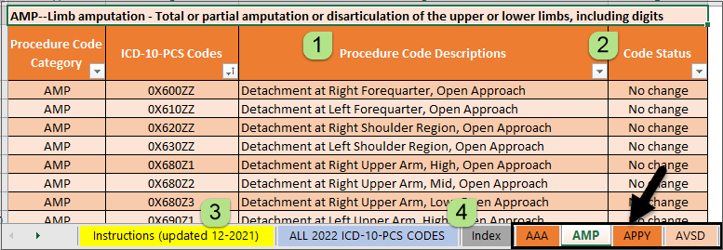

TIP: For searching longer procedure code worksheets, the “Find & Search” button can be found in the upper-right hand corner of the Excel ribbon, see screenshot below.

Resources
 Help with selecting ICD-10-PCS codes for NHSN SSI Surveillance: contact us at NHSN@cdc.gov.  Clinical data architecture (CDA) or upload of operative procedure data from an infection control software program: contact us at NHSNCDA@cdc.gov.  Electronic import of operative procedure data via comma separated values (csv) files: refer to the NHSN website, under Acute Care Hospitals, SSI, Supporting Materials
¬ Sample procedure import file (.xls) ¬ How to import Patient Safety Procedure data Janurary 2020 (.pdf file)

