Instructions
INSTRUCTIONS
You can use this Weekly schedule template to help you keep track of your personal weekly schedule. The calendar includes automatic color coding to your upcoming appointments. This may be useful to duplicate for each week if you would like to use it on the computer, or to print and fill out by hand.
Create a new copy of Weekly schedule template sheet tab for each week.
To do this, right-click on the Weekly schedule template sheet tab at the bottom of the page:

Next, select "Move or Copy" in the resulting menu:
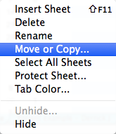
Next, select the checkbox for "Create a copy" in the resulting window, and click "OK":
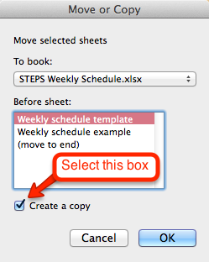
Using the template:
If you are using this template on the computer, fill in the week's dates on each page at the top of the schedule. Fill in the appointments you have each day. The time and date on the schedule will be highlighted in blue for your upcoming meetings. The "IN" column can be used to fill in the initials of staff involved in each appointment, if you are using this template to track schedules for multiple staff in your agency.
If you are printing this out to fill out by hand, first fill in the week's dates at the top of the page, or delete the placeholder "[Date]" so that you can write the dates by hand for each copy that you print.
For an example of how you might use this sheet, see the next tab, "Weekly schedule example".
Delete this text box by selecting it and pressing DELETE. To delete the example sheet, right-click on the "Weekly schedule example" sheet at the bottom and select "Delete."

