INSTRUCTIONS
INSTRUCTIONS

SECTION A: GENERAL
1. Flow of tool
2. Dropdown Options Tab
This tab contains all the options for both of the dropdown menus in this tool (Level of Effort in Background Section and Communication Tactic in Gantt Chart). If at any point you
would like to edit the dropdown options, you can edit directly in this tab and then re-link the appropriate menus to the updated options and update the formulas.

Observance Planning Tool
Gantt Chart
Key Takeaways

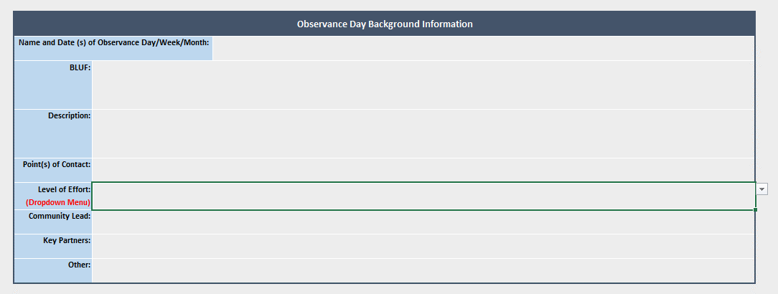
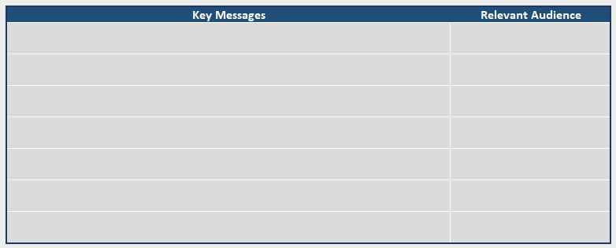
SECTION B: OBSERVANCE PLANNING TOOL
1. Background Information
2. Target Audience
3. Key Messages
4. Materials
5. Metrics
6. Communication Activities
7. Additional Information: Internal Q&A, etc.
SECTION C: GANTT CHART
Step 1: Type in the name of the observance
Step 2: Type in the Project Start Date
Step 3: Type in the Observance Start Date
Step 4: Select the Communication Tactic and assign person responsible
Step 5: Clearance Timelines
Step 6: Task Start Date
Step 7: Understanding the Gantt Chart
SECTION D: KEY TAKEAWAYS
1. Background Info
2. Results
3. Promising Practices

Use the drop down menu to select the level of effort. If the level of effort is too low for the purposes of this tool (Low, Minimum, or None (FYI)), the cell will become red, indicating that you should not be using this tool. If the level of effort is Medium, High, or Full (CDC leads), continue with using the tool.

Understanding who the focus of this observance is and why you are focusing on them will guide your planning and later on allow you to assess if your target audience was ultimately reached.

The Relevant Audience here is the same as the primary and secondary audience in the previous section. In order to avoid copying and pasting or re-typing, you can simply click in the cell in the "Relevant Audience" section here, type "=" and then click in the applicable cell in the "Target Audience" section. This will automatically link the cell here to the cell in the previous section and any changes you make in previous section (primary/secondary audience) will be reflected here as well.

Material: Name of the existing or new material that is needed for this observance
Status: Is this material not started, on going, going through clearance, completed, etc.?
Owner of material: Who is the current owner of this material (this may be N/A for new materials)?
Person responsible: Who is in charge of developing/updating this material for this particular observance?

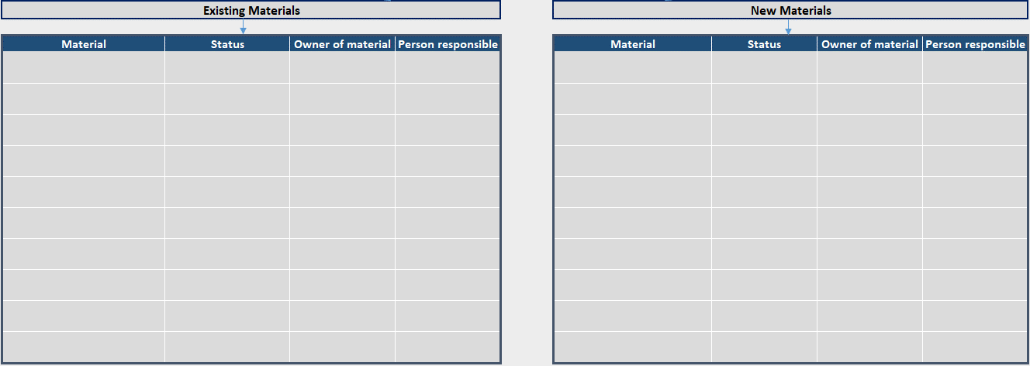

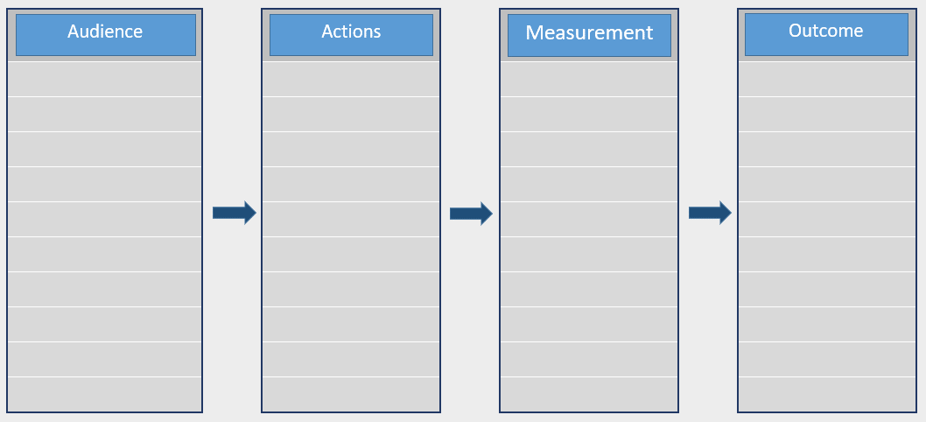
Audience section here is the same as the primary and secondary audience in section 2. In order to avoid copying and pasting or re-typing, you can simply click in the cell in "Audience" section here, type "=" and then click in the applicable cell in the "Target Audience" section. This will automatically link the cell here to the cell in that section and any changes you make in the previous section (primary/secondary audience) will be reflected here as well.
Actions are WHAT the target audience will be doing as a result of this observance.
Measurement is HOW you will measure that the target audience was reached and completed the actions listed in previous box.
Outcome is WHAT will ultimately happen if the target audience completes the listed actions in previous box.

Audience section here is the same as the primary and secondary audience in section 2. In order to avoid copying and pasting or re-typing, you can simply click in the cell in "Audience" section here, type "=" and then click in the applicable cell in the "Target Audience" section. This will automatically link the cell here to the cell in the previous section and any changes you make in previous section (primary/secondary audience) will be reflected here as well.
Activities are what YOU will be doing to communicate the observance to your target audience to ensure that they engage in the Actions listed in section 4.

This section is for any other relevant information that wasn't included in above sections. This section can also be used for Q&A for people planning/conducting the observance.

Use date format: MM/DD/YYYY
This date will set the calendar and be the first date of the Gantt chart.

Use date format: MM/DD/YYYY
This date is used to calculate all the clearance timelines.

Use the dropdown menu to select the communication tactic. If it is not listed, select "other"
If you selected "other" for communication tactic, specify what it is here
Identify who is responsible for this communication tactic

ALL of these sections are AUTO-CALCULATED. You do NOT need to type anything in these sections UNLESS you selected "Other" for communication activity OR you don't agree with the AUTO-CALCULATED dates. If you would like to enter your own dates, DELETE the formula in that cell and type the date using MM/DD/YYYY format. You can delete the formula directly in the formula bar at the top. The Gantt chart will then populate based on the dates you entered.

Indicate the start date for the selected communication tactic. This date will populate in light green on the Gantt chart calendar

Division Clearance
Center Clearance
OADC/ASPH Clearance
Deadline for Completion of ALL Clearances

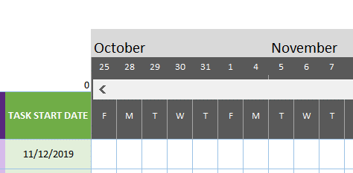
This is the Calendar Scrolling section. If you want to move the calendar forward or backward, enter a number here. For instance, entering "20" will shift the calendar and display 20 additional days at the end. Or, entering "-20" will shift the calendar back 20 days and display an additional 20 days in the beginning. Entering "0" in this section will always reset the calendar back to the date entered in "Project Start Date" (Step 2).

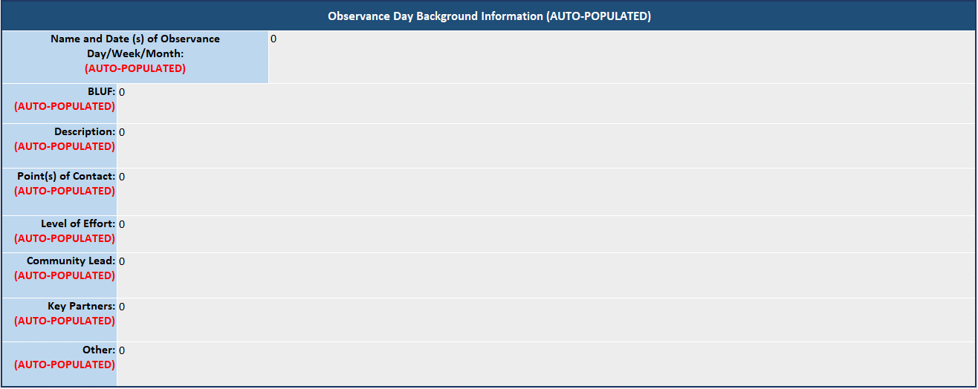

This section will auto-populate from the "Background Information" section in the 1st tab (Observance Planning Tool). Do NOT type anything here.

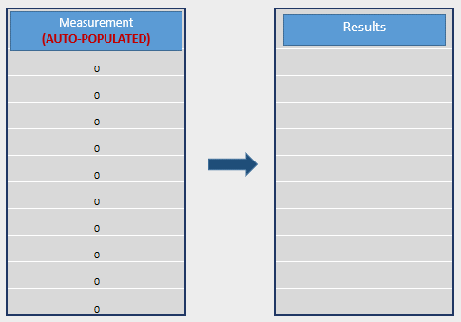

Measurement: This section will auto-populate from the "Metrics" section in the 1st tab (Observance Planning Tool). Do NOT type anything here.
Results: Here is where you include all the results of each of your measurements. This will show how successful your observance was.

In this section you can include any items worth sharing (both challenges and opportunities) from planning and conducting this observance.

In this section you can include anything gained from this experience that would be helpful for planning/conducting future observances.

Observance Planning Tool
Observance Planning Tool

OBJECTIVE: This tool is designed to help you plan observances. By completing this tool, you will identify ways to assess if your observance was successful in reaching your target audience. Please refer to "INSTRUCTIONS" tab for additional information about completing this tool.

Background Information

 | Observance Day Background Information

 | Name and Date (s) of Observance Day/Week/Month:

 | BLUF:

 | Description:

 | Point(s) of Contact:

 | Level of Effort: (Dropdown Menu)

 | Community Lead:

 | Key Partners:

 | Other:

Target Audience

Primary audience = who you are DIRECTLY reaching
 |  |  | Primary audience |  | Reasons for focusing on this audience

INSTRUCTIONS: Indicate the target audience(s) for your observance (both primary and secondary) and the reason(s) for focusing on this audience.

Secondary audience = who you are reaching THROUGH the primary audience
 |  |  | Secondary audience |  | Reasons for focusing on this audience

Key Messages

 |  |  | Key Messages |  |  |  |  |  | Relevant Audience

This should be the same as your primary and secondary audiences
INSTRUCTIONS: Indicate what the Key Messages will be for this observance and specify who from your primary or secondary audience they will be directed at.

Materials

INSTRUCTIONS: Indicate the materials that already exist that are relevant to this observance as well as any new materials that need to be developed. For each material, include the status (completed, needs updating, not started, etc.,) the name of the person who currently owns the material (this may be N/A for new materials) and the person who will be responsible for preparing the particular materials for this observance.

 | Existing Materials |  |  |  |  |  |  | New Materials

 | Material | Status |  | Owner of material |  | Person responsible |  | Material |  | Status | Owner of material |  | Person responsible

Metrics

INSTRUCTIONS: In this section you will develop measures to eventually determine if your observance was successful
Audience: List the audiences from the "Target Audience" section
Actions: List how your audience will utilize a particular CDC resource
Measurement: Describe how the aforementioned actions will be measured
Outcome: List the overall desired outcome. This is what we think will happen if the audience completes the actions listed
Audience
Actions
Measurement
Outcome

Communication Activities

INSTRUCTIONS: Indicate how you plan on communicating observance materials to your target audience so that they complete the intended actions from "Metrics" section
 |  |  |  | Audience |  |  | Activities that will reach this audience |  |  |  |  | Person Responsible

This should be the same as your primary and secondary audiences

Additional Information: Internal Q&A, etc.

Key Takeaways
Key Takeaways

OBJECTIVE: This tool is designed to help you reflect after observances take place. By completing this tool, you will identify if your observance was successful in reaching your target audience. Please refer to "INSTRUCTIONS" tab for additional information about completing this tool.

Background Information

 | Observance Day Background Information (AUTO-POPULATED)

 | Name and Date (s) of Observance Day/Week/Month: (AUTO-POPULATED) |  | 0

 | BLUF: (AUTO-POPULATED) | 0

 | Description: (AUTO-POPULATED) | 0

 | Point(s) of Contact: (AUTO-POPULATED) | 0

 | Level of Effort: (AUTO-POPULATED) | 0

 | Community Lead: (AUTO-POPULATED) | 0

 | Key Partners: (AUTO-POPULATED) | 0

 | Other: (AUTO-POPULATED) | 0

Results

Measurement
(AUTO-POPULATED)
Results

 |  |  |  | 0

 |  |  |  | 0

 |  |  |  | 0
INSTRUCTIONS: Indicate the results from the measures you previously selected. All the measures will auto-populate from "Metrics" section
 |  |  |  | 0

 |  |  |  | 0

 |  |  |  | 0

 |  |  |  | 0

 |  |  |  | 0

 |  |  |  | 0

 |  |  |  | 0

Promising Practices

Promising Practices to Share with Others

INSTRUCTIONS: In the first box, indicate any noteworthy items worth sharing (both challenges and opportunities) from planning and conducting this observance. In the second box, note anything gained from this experience that would be useful for future observances.

Planning Notes for Next Year's Observance

