READ ME
2017 National and State HAI Progress Report

Acute Care Hospitals

Introduction: | Welcome to the 2017 National and State HAI Progress Report using the 2015 baseline and risk adjustment calculations. Standardized infection ratios (SIRs) are used to describe different HAI types
 | by comparing the number of observed infections to the number of predicted infections.
 | This report is created by CDC staff with the National Healthcare Safety Network (NHSN).

 | This workbook includes national and state-specific SIR data for acute care hospitals (ACHs).

Scope of report: | HAI Types | ACH
 |  | National | State
 | Central line-associated bloodstream infections (CLABSI) by locations | þ | þ
 | Catheter-associated urinary tract infections (CAUTI) by locations | þ | þ
 | Ventilator-associated events (VAE) by locations | þ | þ
 | Surgical site infections (SSI)- All procedures for adults and pediatrics (using Complex Admission Readmission (A/R) model) | þ
 | * Surgical site infections (SSI)- Adult procedures only (using Complex AR model) |  | þ
 | Hospital-onset methicillin-resistant Staphylococcus aureus (MRSA) bacteremia by facility-wide reporting | þ | þ
 | Hospital-onset Clostridioides difficile (CDI) by facility-wide reporting | þ | þ
 | *The Surgical Care Improvement Project (SCIP) procedures plus 5 of the most reported procedures nationally.

Profile of Acute Care Hospitals
Characteristics of Acute Care Hospitals Reporting to National Healthcare Safety Network (NHSN), 2017

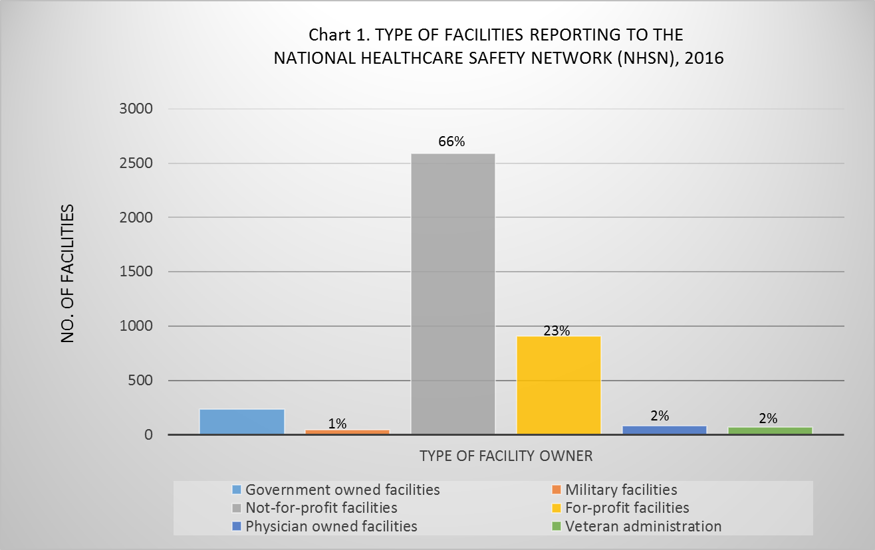
Table 1. Characteristics of acute care hospitals reporting to NHSN, 2017
Characteristics | 2017 Statistics
Number of facilities reporting to NHSN1 | 3,999
Total Number of hospital admissions | 38,323,298
Median number of beds | 133
Mean number of beds | 186.49
Median number of ICU beds | 12
Mean number of ICU beds | 27.23
Mean number of full time epidemiologists | 1.19

Table 1a. Number of reporting facilities by type, NHSN 2017
Type of hospital | No. (%)
Children's hospitals | 100(2.50)
General hospitals | 3458 (86.47)
Military hospitals | 47 (1.18)
Oncology hospitals | 17 (0.43)
Orthopedic hospitals | 30 (0.75)
6%
Psychiatric hospitals | 105 (2.63)
Surgical hospitals | 125 (3.13)
Veteran Administration hospitals | 88 (2.20)
Women's hospitals | 13 (0.33)
Women and Child hospitals | 14 (0.35)

Table 1b. Median and Mean Number of beds by type of hospital, NHSN 2017
Type of hospital | Median No. of beds | Mean No. of beds
Children's hospitals | 150 | 181.13
General hospitals | 145 | 198.83
Military hospitals | 47 | 75.36
Oncology hospitals | 74 | 153.41
Orthopeadic hospitals | 30 | 44.43
Psychiatric hospitals | 74 | 103.19
Surgical hospitals | 22 | 37.24
Veteran Administration hospitals | 96 | 138.5
Women and Child hospitals | 196 | 200.43

Table 2. Total No. (%) of facilities affiliated with medical school, NHSN 2017
Medical School Affiliation
Total number of reporting facilities | 3,998
Yes | 2001(50.05)
No | 1997 (49.95)

Table 2a. Total No. (%) of facilities affiliated with medical by type, NHSN 2017
Type of medical school affiliation | No. (%)
Graduate Medical School | 681 (34.03)
Major Teaching School | 933 (46.63)
Undergraduate Medical School | 387 (19.34)

